1. Title Page
[Project Name]

Project Name:
Date:
Analyst Name:

Contents:
Population Flow
Consistency checks
Wrangling steps
Column derivations
Visualizations
Recommendations

2. Population Flow
Title page

Population flow

Exclusion flag
Condition: max_order <
Obervations to be removed:
Final total count of order_products_all:

Orders_products_combined
Orders_products_merged
Orders_products_all

Total: 32,404
Total: 32,434,489
Total: 32,404,859

1.) The grey boxes in the first row of the population flow represent the original data sets as they were when you downloaded them. In the Total fields you need to add the count of the rows when you imported the data set into Jupyter.
2.) The second row of boxes (coloured) represents the data sets after you manipulated them, e.g., removed missing values and duplicates. In the Total fields you need to add the count of the rows after conducting these operations. This offers a visual oveview of how the data flows throughout the data consistency checks.
3.) The third row, where also the arrows are coloured, represents the merges you performed between the datasets. In the Total fields you need to add the count of the rows in the merged datasets, so that you end up with the final dataset (in the red box). Keep in mind the final dataset should be without exclusions (based on the exclusion flag).

3. Consistency checks
 |  |  |  | Title page
Consistency checks

Dataset | Missing values | Missing values treatment | Duplicates
orders | 206,209 values are missing in the "days since order column" | The reason for the missing values, is due to the fact that for some customers, this was their first order. Therefore, for every first customer, this value was missing. Based on this logic, I simply left the rows untreated | no
products | 16 missing values under product_name | Created new datafram called 'df_prods_clean' | 5 duplicates found. Dropped duplicates. Clean prods is "df_prods_clean"
orders_products_prior | Some "price" values were $14,900 and $99,999, which is a lot higher than one would expect of a grocery store. I discovered this in exercise 4.9. | I replaced these prices with NaN. | no
customers | None | None | no

4. Wrangling steps
 |  |  |  | Title page
Wrangling steps

Columns dropped | Columns renamed | Columns' type changed | Comment/Reason
 | changed order_dow to orders days of week |  | easier to read/understand
Eval_set from orders |  |  | Data wasn’t nessesary for analysis
 |  | Order_id and User_id in orders | changed to string/object as this values are not nessesary for descriptive statistics
 |  | Changing user_id in cutomers to obj | not nessesary for descrpitive statistics
 |  | Changing user_id in ords_prods_merged to obj | not nessesary for descrpitive statistics
 | COLUMNS DF - First Name to first |  | more uniform and clean look
 | Surnam to last |  | more uniform and clean look
 | Gender to gender |  | more uniform and clean look
 | STATE to state |  | more uniform and clean look
 | Age to age |  | more uniform and clean look
 | n_dependants to number_of_dependants |  | seems to make more sense
 | fam_status to marital_status |  | seemsto make more sense
First and Last name in ords_prods_all |  |  | security PII

5. Column derivations
 |  |  |  | Title page

Column derivations and aggregations

In this tab you should add tables below that the frequences of flags/label variables that you produced after deriving them. NB: don't do this for continuous variables, only for flags.
Dataset | New column | Column/s it was derived from | Conditions
ords_prods_merged | price_label | prices | price <= 5 : 'Low range product'
 |  |  | price > 5 & <= 15 : 'Mid range product'
 |  |  | price > 15: 'High range product'
ords_prods_merged | busiest day | orders_day_of_week | 0 = 'Busiest day'
 |  |  | 4 = 'Least busy'
 |  |  | else: 'Regularly busy'
ords_prods_merged | busiest days | orders_day_of_week | 0 or 1 = 'Busiest days'
 |  |  | 4 or 3 = 'Slowest days '
 |  |  | else: 'Regularly busy'
ords_prods_merged | busiest_period_of_day | order_hour_of_day | value = [22,21,7,20,19,18,8,17] : 'Average Orders'
 |  |  | value = [ 10,11,14,15,13,12,16,9]: 'Most orders'
 |  |  | else: 'Fewest Orders'
ords_prods_merged | max_order | order_number | Dataframe grouped by 'user_id' and 'order_number' transformed into maximum of 'order_number'
ords_prods_merged | loyalty_flag | max_order | max_order > 40 : 'Loyal customer'
 |  |  | max_order <= 40 & > 10 : 'Regular customer',
 |  |  | max_order < 10: 'New customer'
ords_prods_merged | avg_price | prices | Dataframe grouped by 'user_id' and 'prices' transformed into mean of 'prices'
ords_prods_merged | spending_flag | avg_price | avg_price >= 10: 'High spender'
 |  |  | avg_price < 10 : 'Low spender'
ords_prods_merged | median_order_freq | days_since_prior_order | Dataframe grouped by 'user_id' and 'days_since_prior_order' transformed into median of 'days_since_prior_order'
ords_prods_merged | ord_frequency_flag | median_order_freq | >20: 'Non-frequent customer'
 |  |  | <= 20 & >10: 'Regular customer'
 |  |  | <=10: 'Frequent customer'
ords_prods_all | age_flag | age | >65 'senior'
 |  |  | <65 & >44 'middle age'
 |  |  | <45 'young adult
ords_prods_all | kids | number_of_dependants | 0 = 'no kids'
 |  |  | >=1 'has kids'
ords_prods_all | Income flag | income | >= 156,000 'high income'
 |  |  | >52,000 & <=155,999 'middle income'
 |  |  | <=52,000 'low income'

Ords_prods_all | Exclusion Flag | max order | <5 yes
 |  |  | >5 no
Ords_prods_all | Region | States | Midwest
 |  |  | West
 |  |  | North East
 |  |  | South

6. Visualizations
 |  |  | Title page

Visualisations

In this tab you should include all the visualtions from Exercises 4.9 and 4.10, alongside the questions from the project brief that they answer. Include any commentary on the relationship between different variables.

Bussiest days of the week
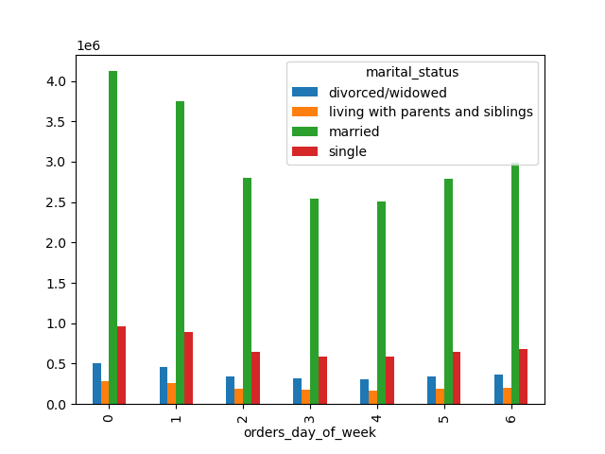
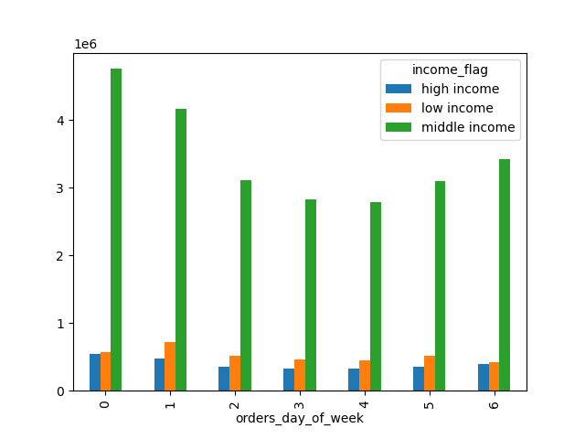
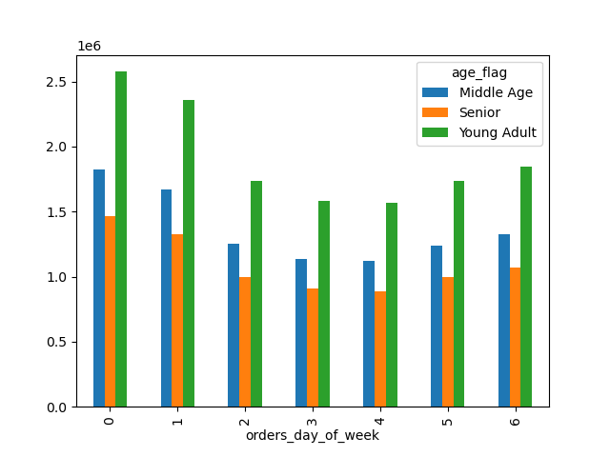
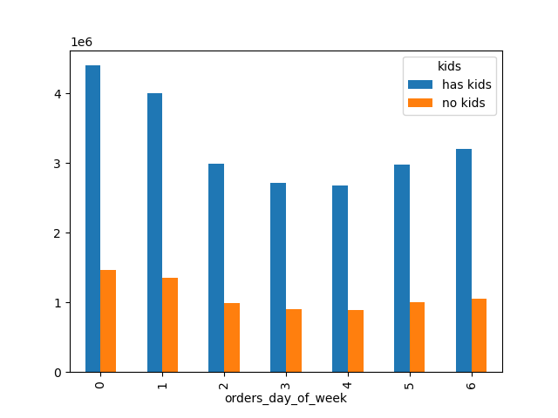

 | We can see that the bussiest days of the week are similar across different demographics and life status. There is a clear high demand during the first part of the week, gradually declining just to rise again towards the end of the week

Bussiest hours of the day


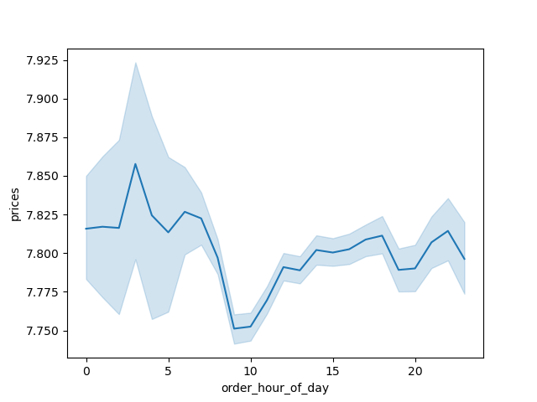

 | It is clear the most purchases happen between the morning until late noon, aproximately from 10:00 to 15:00. Furthermore, we can see that even though there are less purchases during the night, the products that do get purchased are higher in price.

 | Region analysis
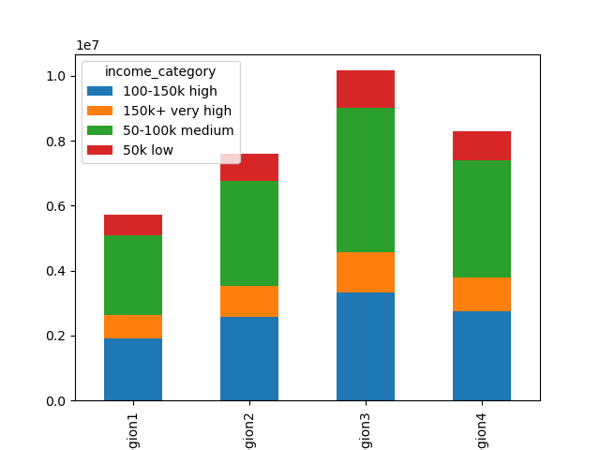
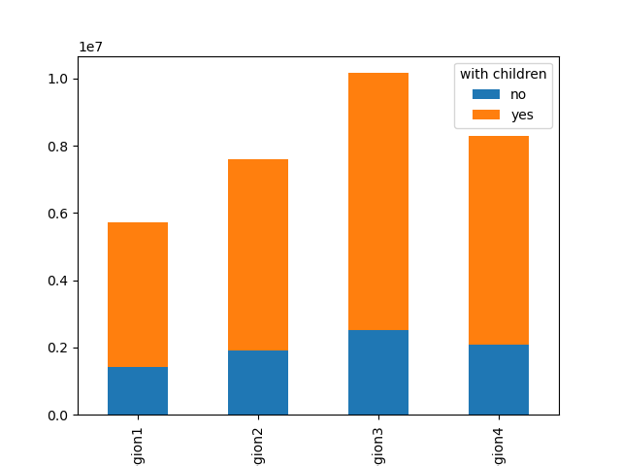
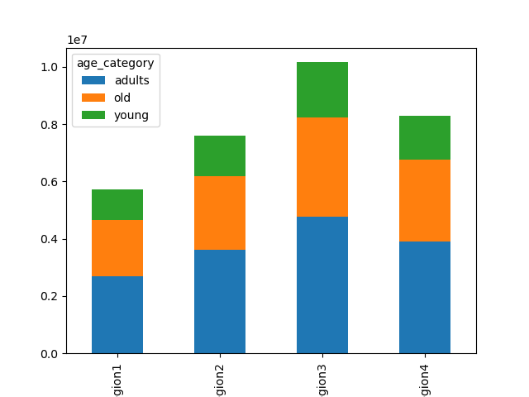

 |  | Region 3 is the leading region in terms of sales, following by region 4, 2 and 1 respectively.
 |  | In terms of audience definition we find that:
 |  | Income: medium income earners are the biggest target group
 |  | Children status: people with children definitely spend more
 |  | Age group: Adults are the best customers

7. Recommendations
 |  | Title page

Recommendations

In this tab you should include any recommendations you would made to Instcart in terms of their marketing strategy based on the questions posed in the brief. Every key question has been covered in the Tasks of the Exercises - here you need to add an item - a visualisation or table/crosstable that is showing the answer in the data, acompanied by a comment from you. Please, list the questions below and add the answer underneath.

Question | Answer
Wich days are the bussiest? | 0, 1 and 6
Which hours are the bussiest? | 10:00 to 15:00
When do high price products are sold? | night time, between 00:00 and 6:00
Which region sells the most? | Region 3
Which region sells the least? | region 1
What is the ideal customer profile? | A person between the ages of 30 and 60, with children and that makes between 50 to 100k a year

